Sheet1
Item No. | Item Description | In Stock
HP129GRY2XL | Unisex Harry Potter Applique Hooded Sweatshirt Gryffindor 2XL | 142
HP129GRYL | Unisex Harry Potter Applique Hooded Sweatshirt Gryffindor Large | 657
HP129GRYM | Unisex Harry Potter Applique Hooded Sweatshirt Gryffindor Medium | 595
HP129GRYS | Unisex Harry Potter Applique Hooded Sweatshirt Gryffindor Small | 277
HP129GRYXL | Unisex Harry Potter Applique Hooded Sweatshirt Gryffindor X-Large | 408
HP129GRYXS | Unisex Harry Potter Applique Hooded Sweatshirt Gryffindor X-Small | 187
HP129HFL2XL | Unisex Harry Potter Applique Hooded Sweatshirt Hufflepuff 2XL | 5
HP129HFLL | Unisex Harry Potter Applique Hooded Sweatshirt Hufflepuff Large | 179
HP129HFLM | Unisex Harry Potter Applique Hooded Sweatshirt Hufflepuff Medium | 188
HP129HFLS | Unisex Harry Potter Applique Hooded Sweatshirt Hufflepuff Small | 93
HP129HFLXL | Unisex Harry Potter Applique Hooded Sweatshirt Hufflepuff X-Large | 74
HP129HFLXS | Unisex Harry Potter Applique Hooded Sweatshirt Hufflepuff X-Small | 93
HP129HW2XL | Unisex Harry Potter Applique Hooded Sweatshirt Hogwarts 2XL | 146
HP129HWL | Unisex Harry Potter Applique Hooded Sweatshirt Hogwarts Large | 412
HP129HWM | Unisex Harry Potter Applique Hooded Sweatshirt Hogwarts Medium | 348
HP129HWS | Unisex Harry Potter Applique Hooded Sweatshirt Hogwarts Small | 174
HP129HWXL | Unisex Harry Potter Applique Hooded Sweatshirt Hogwarts X-Large | 312
HP129HWXS | Unisex Harry Potter Applique Hooded Sweatshirt Hogwarts X-Small | 129
HP129RVN2XL | Unisex Harry Potter Applique Hooded Sweatshirt Ravenclaw 2XL | 120
HP129RVNL | Unisex Harry Potter Applique Hooded Sweatshirt Ravenclaw Large | 426
HP129RVNM | Unisex Harry Potter Applique Hooded Sweatshirt Ravenclaw Medium | 446
HP129RVNS | Unisex Harry Potter Applique Hooded Sweatshirt Ravenclaw Small | 216
HP129RVNXL | Unisex Harry Potter Applique Hooded Sweatshirt Ravenclaw X-Large | 267
HP129RVNXS | Unisex Harry Potter Applique Hooded Sweatshirt Ravenclaw X-Small | 251
HP129SLY2XL | Unisex Harry Potter Applique Hooded Sweatshirt Slytherin 2XL | 161
HP129SLYL | Unisex Harry Potter Applique Hooded Sweatshirt Slytherin Large | 219
HP129SLYM | Unisex Harry Potter Applique Hooded Sweatshirt Slytherin Medium | 259
HP129SLYS | Unisex Harry Potter Applique Hooded Sweatshirt Slytherin Small | 57
HP129SLYXL | Unisex Harry Potter Applique Hooded Sweatshirt Slytherin X-Large | 102
HP129SLYXS | Unisex Harry Potter Applique Hooded Sweatshirt Slytherin X-Small | 149
HP129Z | Unisex Zipped Harry Potter Applique Hooded Sweatshirt | 0
HP129ZGRY2XL | Unisex Zipped Harry Potter Applique Hooded Sweatsh Gryffindor 2X-Large | 17
HP129ZGRYL | Unisex Zipped Harry Potter Applique Hooded Sweatsh Gryffindor Large | 569
HP129ZGRYM | Unisex Zipped Harry Potter Applique Hooded Sweatsh Gryffindor Medium | 493
HP129ZGRYS | Unisex Zipped Harry Potter Applique Hooded Sweatsh Gryffindor Small | 413
HP129ZGRYXL | Unisex Zipped Harry Potter Applique Hooded Sweatsh Gryffindor X-Large | 345
HP129ZGRYXS | Unisex Zipped Harry Potter Applique Hooded Sweatsh Gryffindor X-Small | 340
HP129ZHFL2XL | Unisex Zipped Harry Potter Applique Hooded Sweatsh Hufflepuff 2X-Large | 25
HP129ZHFLL | Unisex Zipped Harry Potter Applique Hooded Sweatsh Hufflepuff Large | 355
HP129ZHFLM | Unisex Zipped Harry Potter Applique Hooded Sweatsh Hufflepuff Medium | 592
HP129ZHFLS | Unisex Zipped Harry Potter Applique Hooded Sweatsh Hufflepuff Small | 494
HP129ZHFLXL | Unisex Zipped Harry Potter Applique Hooded Sweatsh Hufflepuff X-Large | 215
HP129ZHFLXS | Unisex Zipped Harry Potter Applique Hooded Sweatsh Hufflepuff X-Small | 420
HP129ZHW2XL | Unisex Zipped Harry Potter Applique Hooded Sweatsh Hogwarts 2XL | 82
HP129ZHWL | Unisex Zipped Harry Potter Applique Hooded Sweatsh Hogwarts Large | 555
HP129ZHWM | Unisex Zipped Harry Potter Applique Hooded Sweatsh Hogwarts Medium | 628
HP129ZHWS | Unisex Zipped Harry Potter Applique Hooded Sweatsh Hogwarts Small | 611
HP129ZHWXL | Unisex Zipped Harry Potter Applique Hooded Sweatsh Hogwarts X-Large | 338
HP129ZHWXS | Unisex Zipped Harry Potter Applique Hooded Sweatsh Hogwarts X-Small | 508
HP129ZRVN2XL | Unisex Zipped Harry Potter Applique Hooded Sweatsh Ravenclaw 2X-Large | 22
HP129ZRVNL | Unisex Zipped Harry Potter Applique Hooded Sweatsh Ravenclaw Large | 462
HP129ZRVNM | Unisex Zipped Harry Potter Applique Hooded Sweatsh Ravenclaw Medium | 521
HP129ZRVNS | Unisex Zipped Harry Potter Applique Hooded Sweatsh Ravenclaw Small | 435
HP129ZRVNXL | Unisex Zipped Harry Potter Applique Hooded Sweatsh Ravenclaw X-Large | 386
HP129ZRVNXS | Unisex Zipped Harry Potter Applique Hooded Sweatsh Ravenclaw X-Small | 455
HP129ZSLY2XL | Unisex Zipped Harry Potter Applique Hooded Sweatsh Slytherin 2X-Large | 1
HP129ZSLYL | Unisex Zipped Harry Potter Applique Hooded Sweatsh Slytherin Large | 352
HP129ZSLYM | Unisex Zipped Harry Potter Applique Hooded Sweatsh Slytherin Medium | 415
HP129ZSLYS | Unisex Zipped Harry Potter Applique Hooded Sweatsh Slytherin Small | 362
HP129ZSLYXL | Unisex Zipped Harry Potter Applique Hooded Sweatsh Slytherin X-Large | 157
HP129ZSLYXS | Unisex Zipped Harry Potter Applique Hooded Sweatsh Slytherin X-Small | 390
HP201 | Unisex Harry Potter Applique Sweatshirt | 0
HP201GRY2XL | Unisex Harry Potter Applique Sweatshirt Gryffindor 2XL | 96
HP201GRYL | Unisex Harry Potter Applique Sweatshirt Gryffindor Large | 470
HP201GRYM | Unisex Harry Potter Applique Sweatshirt Gryffindor Medium | 348
HP201GRYS | Unisex Harry Potter Applique Sweatshirt Gryffindor Small | 64
HP201GRYXL | Unisex Harry Potter Applique Sweatshirt Gryffindor X-Large | 193
HP201GRYXS | Unisex Harry Potter Applique Sweatshirt Gryffindor X-Small | 9
HP201HFL2XL | Unisex Harry Potter Applique Sweatshirt Hufflepuff 2XL | 86
HP201HFLL | Unisex Harry Potter Applique Sweatshirt Hufflepuff Large | 412
HP201HFLM | Unisex Harry Potter Applique Sweatshirt Hufflepuff Medium | 419
...
Item No. | Item Description | In Stock
HP201RVNXS | Unisex Harry Potter Applique Sweatshirt Ravenclaw X-Small | 73
HP201SLY2XL | Unisex Harry Potter Applique Sweatshirt Slytherin 2XL | 94
HP201SLYL | Unisex Harry Potter Applique Sweatshirt Slytherin Large | 189
HP201SLYM | Unisex Harry Potter Applique Sweatshirt Slytherin Medium | 260
HP201SLYS | Unisex Harry Potter Applique Sweatshirt Slytherin Small | 73
HP201SLYXL | Unisex Harry Potter Applique Sweatshirt Slytherin X-Large | 121
HP201SLYXS | Unisex Harry Potter Applique Sweatshirt Slytherin X-Small | 60
 |  | 23905

 | 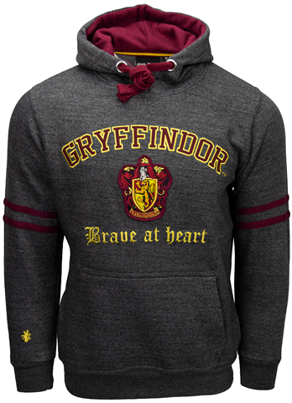 |  | 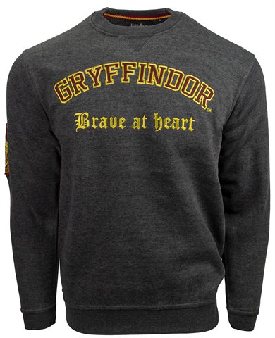 | 